Normalization - Both Exp.
Biological Rep | 1 | 2 | 3 | Background Mean | SD | Strain | 1 | 2 | 3 | 4 | 5 | 6 | Mean | SD | Biological Rep | Normalized (Rel to WT) | Strain | Average (Rel to WT) | SD
WTa | -57.81 | -9.32 | -40.10 | -35.74 | 20.034 | WT | -35.741 | -40.992 | -31.733 | -40.817 | -41.844 | -61.419 | -42.091 | 9.35 | WTa | 0.8491 | WT | 1.000 | 0.222
WTb | -34.79 | -45.01 | -43.17 | -40.99 | 4.450 | ΔLLM1 | -12.138 | -26.887 | -10.845 | -18.003 | -18.078 | -26.240 | -18.699 | 6.18 | WTb | 0.9739 | ΔLLM1 | 0.444 | 0.147
WTc | -48.12 | -19.65 | -27.43 | -31.73 | 12.014 | LLM1+GFP-C | -19.068 | -37.707 | -36.489 | -45.086 | -65.741 | -51.928 | -42.670 | 14.40 | WTc | 0.7539 | LLM1-NoGFP | 1.045 | 0.294
WTd | -41.23 | -33.29 | -47.93 | -40.82 | 5.983 | LLM1-NoGFP | -39.509 | -26.924 | -43.625 | -35.644 | -52.690 | -65.454 | -43.974 | 12.37 | WTd | 0.9697 | LLM1+GFP-C | 1.014 | 0.342
ΔLLM1 Ha | -8.97 | -13.58 | -13.86 | -12.14 | 2.242 | oeLLM1 | -25.681 | -12.983 | -23.055 | -19.317 | -25.890 | -10.601 | -19.588 | 5.96 | WTe | 0.9941 | oeLLM1 | 0.465 | 0.142
ΔLLM1 Hb | -25.34 | -26.60 | -28.72 | -26.89 | 1.395 |  |  |  |  |  |  |  |  |  | WTf | 1.4592
ΔLLM1 Ja | -13.29 | -11.75 | -7.50 | -10.85 | 2.451 |  |  |  |  |  |  |  |  |  | ΔLLM1 Ha | 0.2884
ΔLLM1 Jb | -7.72 | -25.57 | -20.72 | -18.00 | 7.536 |  |  |  |  |  |  |  |  |  | ΔLLM1 Hb | 0.6388
CDM-Darkness
LLM1-NoGFP 3a | -49.48 | -24.26 | -44.78 | -39.51 | 10.950 |  |  |  |  |  |  |  |  |  | ΔLLM1 Hc | 0.4295
LLM1-NoGFP 3b | -40.51 | -9.62 | -30.64 | -26.92 | 12.882 |  |  |  |  |  |  |  |  |  | ΔLLM1 Ja | 0.2577
LLM1-NoGFP 9a | -46.50 | -46.67 | -37.71 | -43.63 | 4.184 |  |  |  |  |  |  |  |  |  | ΔLLM1 Jb | 0.4277
LLM1-NoGFP 9b | -56.95 | -37.30 | -12.69 | -35.64 | 18.106 |  |  |  |  |  |  |  |  |  | ΔLLM1 Jc | 0.6234
LLM1+GFP-C 6a | -25.71 | -13.59 | -17.91 | -19.07 | 5.013 |  |  |  |  |  |  |  |  |  | LLM1-NoGFP 3a | 0.9387
LLM1+GFP-C 6b | -20.38 | -55.04 |  | -37.71 | 17.332 |  |  |  |  |  |  |  |  |  | LLM1-NoGFP 3b | 0.6397
LLM1+GFP-C 8a | -23.38 | -55.09 | -31.00 | -36.49 | 13.515 |  |  |  |  |  |  |  |  |  | LLM1-NoGFP 3c | 1.2518
LLM1+GFP-C 8b | -38.51 | -49.29 | -47.45 | -45.09 | 4.709 |  |  |  |  |  |  |  |  |  | LLM1-NoGFP 9a | 1.0365
oeLLM1 1a-a | -22.34 | -28.48 | -26.23 | -25.68 | 2.537 |  |  |  |  |  |  |  |  |  | LLM1-NoGFP 9b | 0.8468
oeLLM1 1a-b | -13.31 | -17.24 | -8.41 | -12.98 | 3.612 |  |  |  |  |  |  |  |  |  | LLM1-NoGFP 9c | 1.5551
oeLLM1 2a-a | -25.55 | -25.05 | -18.56 | -23.05 | 3.185 |  |  |  |  |  |  |  |  |  | LLM1+GFP-C 6a | 0.4530
oeLLM1 2a-b | -24.09 | -17.32 | -16.54 | -19.32 | 3.388 |  |  |  |  |  |  |  |  |  | LLM1+GFP-C 6b | 0.8958
 |  |  |  |  |  |  |  |  |  |  |  |  |  |  | LLM1+GFP-C 6c | 1.5619
 |  |  |  | Background Mean |  |  |  |  |  |  |  |  |  |  | LLM1+GFP-C 8a | 0.8669
Biological Rep | 1 | 2 | 3 |  | SD |  |  |  |  |  |  |  |  |  | LLM1+GFP-C 8b | 1.0711
WTe | -33.888 | -45.709 | -45.934 | -41.844 | 5.626 |  |  |  |  |  |  |  |  |  | LLM1+GFP-C 8c | 1.2337
WTf | -63.286 | -65.473 | -55.498 | -61.419 | 4.281 |  |  |  |  |  |  |  |  |  | oeLLM1 1a-a | 0.6101
ΔLLM1 cH | -7.216 | -20.722 | -26.297 | -18.078 | 8.011 |  |  |  |  |  |  |  |  |  | oeLLM1 1a-b | 0.3085
ΔLLM1 cJ | -21.152 | -24.791 | -32.777 | -26.240 | 4.855 |  |  |  |  |  |  |  |  |  | oeLLM1 1a-c | 0.6151
LLM1+GFP-C c6 | -71.371 | -62.291 | -63.563 | -65.741 | 4.014 |  |  |  |  |  |  |  |  |  | oeLLM1 2a-a | 0.5477
LLM1+GFP-C c8 | -17.483 | -68.941 | -69.358 | -51.928 | 24.356 |  |  |  |  |  |  |  |  |  | oeLLM1 2a-b | 0.4589
LLM1-NoGFP c3 | -24.736 | -70.386 | -62.947 | -52.690 | 19.998 |  |  |  |  |  |  |  |  |  | oeLLM1 2a-c | 0.2519
LLM1-NoGFP c9 | -75.654 | -64.450 | -56.257 | -65.454 | 7.950
oeLLM1 1a | -26.901 | -32.205 | -18.563 | -25.890 | 5.615
oeLLM1 2a | -23.962 | -6.012 | -1.829 | -10.601 | 9.600
 |  |  |  |  |  |  |  |  |  |  |  |  |  |  |  |  |  | Independent Two-Sample T-Test Calculator

Sheet1
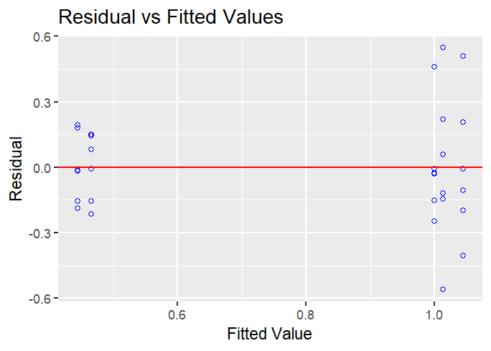
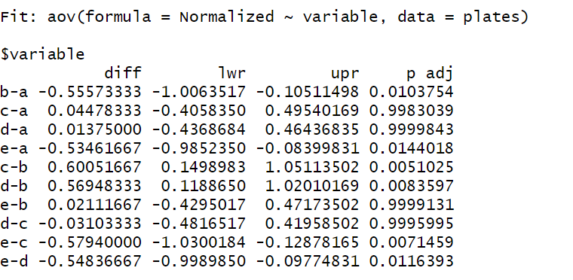
Biological.Rep | variable | Normalized | Absolute
WT | a | 0.8491 | -35.741 | Tukey
WT | a | 0.9739 | -40.992 |  |  |  | Anova
WT | a | 0.7539 | -31.733
WT | a | 0.9697 | -40.817
WT | a | 0.9941 | -41.844
WT | a | 1.4592 | -61.419
ΔLLM1 | b | 0.2884 | -12.138
ΔLLM1 | b | 0.6388 | -26.887
ΔLLM1 | b | 0.4295 | -10.845
ΔLLM1 | b | 0.2577 | -18.003
ΔLLM1 | b | 0.4277 | -18.078
ΔLLM1 | b | 0.6234 | -26.240
LLM1-NoGFP | c | 0.9387 | -19.068
LLM1-NoGFP | c | 0.6397 | -37.707
LLM1-NoGFP | c | 1.2518 | -36.489
LLM1-NoGFP | c | 1.0365 | -45.086
LLM1-NoGFP | c | 0.8468 | -65.741
LLM1-NoGFP | c | 1.5551 | -51.928
LLM1+GFP-C | d | 0.4530 | -39.509
LLM1+GFP-C | d | 0.8958 | -26.924
LLM1+GFP-C | d | 1.5619 | -43.625
LLM1+GFP-C | d | 0.8669 | -35.644 |  |  | alpha 0.05
LLM1+GFP-C | d | 1.0711 | -52.690
LLM1+GFP-C | d | 1.2337 | -65.454
oeLLM1 | e | 0.6101 | -25.681 |  | Normality of residuals
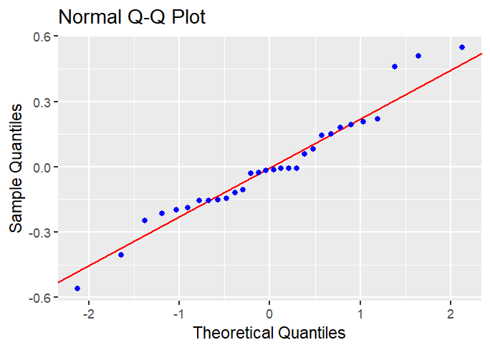
oeLLM1 | e | 0.3085 | -12.983
oeLLM1 | e | 0.6151 | -23.055
oeLLM1 | e | 0.5477 | -19.317
oeLLM1 | e | 0.4589 | -25.890
oeLLM1 | e | 0.2519 | -10.601

 |  |  |  |  | Homogeneity of variances

